Equipment
MAKER | 원익 IPS
MODEL | MAHA-DPT
DATE | 2014.12.12

1. Equip Structure
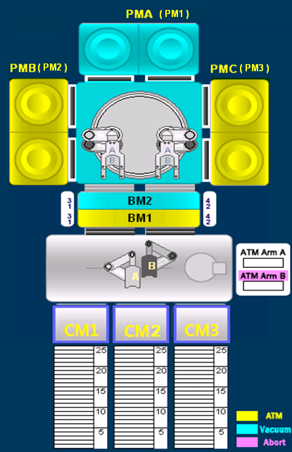

2. Flow
 | Wafer Flow : Load Port -> Aligner -> Load Lock(LLA or LLB) ->
 | -> Process Module -> Load Lock(LLA or LLB) -> Load Port

3. Description
 | Load Port: Load Port 1,2.3
 | Process Module: PMA/PMB/PMC (2Stage:CH1,CH2).
 | Load Lock: LLA(4Slot), LLB(4Slot).

